Sheet1
∆Q = | -0.10159744827 |  |  | Changing Cell |  |  |  | Set Cell
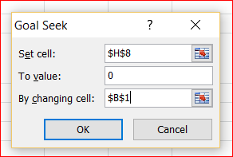
Pipe # | f | L(m) | d(m) | K(SI) | Qo
1 | 0.02 | 200 | 0.25 | 338.43960709 | 0.32 | 0.218 | 16.143459131 | 1 | Assume a value for ∆Q (say 0.1) in cell B1; Cell H8 will change to a non-zero value
2 | 0.02 | 100 | 0.25 | 169.21980355 | 0.04 | -0.062 | -0.64206150073 | 2 | From Excel menu select ----> Data-----> What if Analysis ----> Goal seek
3 | 0.02 | 200 | 0.25 | 338.43960709 | -0.1 | -0.202 | -13.754703834 | 3 | In the "Goal seek" Menu:
4 | 0.02 | 100 | 0.25 | 169.21980355 | 0 | -0.102 | -1.746693834 |  | Select Cell H8 for "Set cell"
 |  |  |  |  |  | ∑ Hf = | 0.00 |  | Enter 0 for "To value"
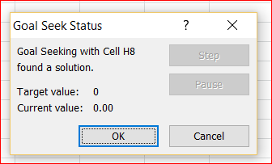
 |  |  |  |  |  |  |  |  | Select Cell B1 for "By changing cell"
 |  |  |  |  |  |  |  | 4 | Press OK. The value in cell H8 will be zero. The result is shown

